Graphs
Population and Rural Population in CIS and Georgia, 1913-2015 (end of year data, '000)
Graphs and Data
Provided by Zvi Lerman, http://departments.agri.huji.ac.il/economics/lerman-main.html (2017)

Sources:
From 1980 on, most data are from the database Official Statistics of the Countries of the Commonwealth of Independent States (CIS database) published annually
on CD by the CIS Interstate Statistical Committee (Moscow). Latest updates for 1980-1990 were obtained as needed from country statistical yearbooks on the Internet.
The data for 1913-1979 (where available) were obtained from various issues of the USSR Statistical Yearbook (print editions), with two exceptions:
All the data for Russia are from the demographic yearbooks (various years) available on the Internet.
The data for Turkmenistan are from World Development Indicators (WDI), which match the official statistics up to 1990 and then diverge.
The idiosynchrasies of the population statistics of both Turkmenistan (since 1990) and Uzbekistan (since 2007) are discussed on a separate sheet in this file.

Country prefixes:
Az | Azerbaijan | Arm | Armenia | Bel | Belarus | Gru | Georgia | Kaz | Kazakhstan | Kyr | Kyrgyzstan
Mol | Moldova | Rus | Russia | Taj | Tajikistan | Tur | Turkmenistan | Uzb | Uzbekistan | Ukr | Ukraine

Variables:
xxx_Pop | Total (resident) population in country xxx ('000)
xxx_RurPop | Rural population in country xxx ('000)

Regional prefixes:
TC | Trans-Caucasia (Azerbaijan, Armenia, Georgia)
CA | Central Asia (Kazakhstan, Kyrgyzstan, Tajikistan, Turkmenistan, Uzbekistan)
Eur | European CIS (Belarus, Moldova, Russia, Ukraine)

Trans-Caucasia: Population and rural population 1913-2015 (end of year data)
Armenia: Pop-RurPop 1913-2015
 | Arm_Pop | Arm_RurPop
1913 | 1000 | 896
1916
1919 | 720 | 598
1920
1922 | 782 | 650
1924
1926 | 881.3 | 714.2
1927
1928
1929
1930
1931
1932
1933
1934
1935
1936 | 1209.3 | 880.3
1937
1938 | 1282.3 | 915.9
1939 | 1320 | 945
1940
1945
1946
1947
1948
1949 | 1347 | 781
1950 | 1360 | 761
1951
1952
1953
1954
1955
1956
1957
1958 | 1763 | 881.2
1959
1960
1961
1962
1963
1964
1965 | 2239 | 981
1966
1967
1968
1969 | 2491.9 | 1010.3
1970
1971
1972
1973 | 2728 | 1029
...
Georgia: Pop-RurPop 1913-2015
 | Gru_Pop | Gru_RurPop
1913 | 2601 | 1783
1916
1919 | 2408 | 1927
1920
1922 | 2436 | 1934
1924
1926 | 2677 | 2083
1927
1928
1929
1930
1931
1932
1933
1934
1935
1936 | 3376.9 | 2444.4
1937
1938 | 3540 | 2473.8
1939 | 3612 | 2506
1940
1945
1946
1947
1948
1949 | 3494 | 2253
1950
1951
1952
1953
1954
1955
1956
1957
1958 | 4044 | 2331.1
1959 | 4129.2 | 2384.8
1960
1961
1962
1963
1964 | 4450 | 2423.7
1965 | 4505 | 2432
1966
1967
1968
1969 | 4686.4 | 2446.6
1970
1971
1972 | 4835 | 2478
1973
...

Azerbaijan: Pop-RurPop 1913-2015
 | Az_Pop | Az_RurPop
1913 | 2339.2 | 1783.3
1916
1919 | 1952 | 1546
1920
1922 | 1863 | 1377
1924
1926 | 2313.7 | 1664.2
1927
1928
1929
1930 | 2673.6 | 1862
1931
1932
1933
1934
1935
1936 | 3057 | 2046.6
1937
1938 | 3205.2 | 2048.4
1939
1940 | 3331.8 | 2092
1945
1946
1947
1948
1949
1950 | 2933.5 | 1613.3
1951
1952
1953
1954
1955
1956
1957
1958 | 3697.7 | 1930.4
1959 | 3815.7 | 1980.5
1960 | 3973.3 | 2026.6
1961 | 4118.2 | 2099.9
1962 | 4218.1 | 2129.3
1963 | 4369 | 2205.1
1964 | 4509.5 | 2270.7
1965 | 4639.8 | 2339.5
1966 | 4776.5 | 2393.5
1967 | 4887.5 | 2442.6
1968 | 5009.5 | 2505.8
1969 | 5117.1 | 2552.5
1970 | 5227 | 2594.7
1971 | 5338.9 | 2632
1972 | 5444 | 2667
1973 | 5543.8 | 2689.7
...
 |  |  |  |  |  |  |  | Notes on Trans-Caucasian countries:
 |  |  |  |  |  |  |  | Armenia: Population declines after 1991 due to high emigration rates
 |  |  |  |  |  |  |  | among urban residents; rural population stable over time. Robust urbanization
 |  |  |  |  |  |  |  | to 1991.
 |  |  |  |  |  |  |  | Georgia: Robust urbanization to 1991. Since 1993 the population and rural
 |  |  |  |  |  |  |  | population are reported excluding the breakaway regions of Abkhazia and
 |  |  |  |  |  |  |  | Tskhinvali (South Osetia). After the one-time adjustment in 1993, the
 |  |  |  |  |  |  |  | population continued to decline due to high emigration rates (as in Armenia)
 |  |  |  |  |  |  |  | and eventually stabilized. The abrupt drop of 800,000 people in 2014-2015
 |  |  |  |  |  |  |  | (18% of the population in 2013) apparently reflects the preliminary results
 |  |  |  |  |  |  |  | of the 2014 Population Census.
 |  |  |  |  |  |  |  | Azerbaijan: Both total and rural population steadily increase, especially
 |  |  |  |  |  |  |  | after 1950. The population trends in this predominantly Muslim country are
 |  |  |  |  |  |  |  | similar to those in Central Asia and are completely at variance with the trends
 |  |  |  |  |  |  |  | in its predominantly Christian neighbors, Armenia and Georgia.

Central Asia: Population and rural population 1913-2015 (end of year data)
Kazakhstan: Pop-RurPop 1913-2015
 | Kaz_Pop | Kaz_RurPop
1913 | 5597 | 5056
1916
1919 | 5400 | 5020
1920
1922 | 5367 | 4889
1924
1926 | 6025 | 5506
1927
1928
1929
1930
1931
1932
1933
1934
1935
1936 | 5120.2 | 3843
1937
1938 | 6081.4 | 4391.9
1939 | 6054 | 4239
1940
1945
1946
1947
1948
1949 | 6522 | 4059
1950 | 6733 | 4076
1951
1952 | 6987 | 4180
1953 | 7084 | 4155
1954 | 7252 | 4202
1955 | 7596 | 4427
1956 | 8174 | 4829
1957 | 8457 | 4925
1958 | 9294.7 | 5227.5
1959 | 9678 | 5376
1960 | 10207 | 5619
1961 | 10751 | 5902
1962 | 11266 | 6171
1963 | 11506 | 6195
1964 | 11844 | 6270
1965 | 12124 | 6340
1966 | 12406 | 6387
1967
1968
1969 | 13008.7 | 6470.1
1970
1971
1972
1973
...
Kyrgyzstan: Pop-RurPop 1926-2015
 | Kyr_Pop | Kyr_RurPop
1913 | 864 | 758
1916
1919 | 860 | 767
1920
1922 | 883 | 788
1924
1926 | 1001.7 | 879.4
1927
1928
1929
1930
1931
1932
1933
1934
1935
1936 | 1369.7 | 1103.8
1937
1938 | 1458.2 | 1188.1
1939 | 1528.1 | 1196.3
1940
1945
1946
1947
1948
1949 | 1716 | 1241
1950
1951
1952
1953
1954
1955
1956
1957
1958 | 2066.1 | 1369.9
1959
1960
1961
1962
1963
1964 | 2532 | 1606
1965
1966
1967
1968
1969 | 2933.2 | 1835.7
1970 | 2995 | 1867.4
1971
1972
1973
...

Tajikistan: Pop-RurPop 1931-2015
 | Taj_Pop | Taj_RurPop
1913 | 1034.4 | 939.2
1916
1919 | 924 | 866
1920
1922 | 956.3 | 885.1
1924 | 990.9 | 904.6
1926 | 1032.2 | 926.2
1927
1928
1929 | 1207 | 1092.9
1930
1931
1932
1933
1934
1935
1936 | 1382.2 | 1196.4
1937
1938 | 1484.9 | 1235.6
1939 | 1525 | 1232
1940
1945
1946
1947
1948
1949 | 1509 | 1118
1950
1951
1952
1953
1954
1955
1956
1957
1958 | 1980.5 | 1334.4
1959 | 2044.8 | 1360.5
1960 | 2120.3 | 1398.8
1961 | 2216.2 | 1461.4
1962 | 2307.9 | 1529.6
1963 | 2394.5 | 1575.7
1964 | 2468.8 | 1600.8
1965 | 2555.9 | 1635
1966 | 2632.5 | 1659.6
1967 | 2715.1 | 1699.1
1968 | 2806.9 | 1759.5
1969 | 2899.6 | 1822.9
1970 | 2983.3 | 1870.8
1971 | 3095.6 | 1931.5
1972 | 3191.1 | 1989.1
1973 | 3287.9 | 2047.2
...

Central Asia (continued)
Turkmenistan: Pop-RurPop 1913-2014 YB
 | Tur_Pop_ | Tur_RurPop
1913 | 1042.0 | 816.0
1916
1919 | 837.0 | 750.0
1920
1922 | 903.0 | 791.0
1924 | 1007.0 | 882.0
1926 | 998.0 | 861.0
1927
1928
1929
1930
1931
1932
1933
1934
1935
1936 | 1168.5 | 844.0
1937
1938 | 1251.9 | 835.6
1939 | 1302.0 | 843.0
1940 | 1336.0 | 860.0
1945
1946
1947
1948
1949 | 1197.0 | 764.0
1950
1951
1952
1953
1954
1955
1956
1957
1958 | 1516.4 | 815.6
1959
1960 | 1593.5 | 853.9
1961 | 1649.9 | 881.8
1962 | 1708.7 | 910.7
1963 | 1769.0 | 940.3
1964 | 1829.7 | 969.9
1965 | 1890.0 | 999.1
1966 | 1949.4 | 1027.7
1967 | 2008.1 | 1055.7
1968 | 2066.9 | 1083.6
1969 | 2158.9 | 1124.7
1970 | 2188.5 | 1142.8
1971 | 2252.4 | 1177.2
1972 | 2318.1 | 1212.6
1973 | 2385.0 | 1248.7
...
Uzbekistan: Pop-RurPop 1913-2015
 | Uzb_Pop | Uzb_RurPop
1913 | 4334 | 3274
1916
1919 | 4470 | 3663
1920
1922 | 4363 | 3526
1924 | 4258 | 3392
1926 | 4621 | 3609
1927
1928
1929
1930
1931
1932
1933
1934
1935
1936 | 5847.4 | 4521.2
1937
1938 | 6346.9 | 4877.1
1939 | 6551 | 4945
1940
1945
1946
1947
1948
1949 | 6194 | 4277
1950
1951
1952
1953
1954
1955
1956
1957
1958 | 8118.8 | 5390.2
1959
1960
1961
1962
1963
1964
1965 | 10399 | 6695
1966 | 10715 | 6882
1967 | 11068 | 7053
1968 | 11451 | 7262
1969 | 11799 | 7477.4
1970 | 12147 | 7696
1971 | 12562 | 7947
1972 | 12950 | 8099
1973 | 13361 | 8298
...

Notes on Central Asian countries:
Four of the five Central Asian countries -- Kyrgyzstan, Tajikistan, Turkmenistan, and Uzbekistan -- show similar population development patterns:
both total and rural population increase steadily, especially since 1960, long before independence and the onset of transition.
Kazakhstan shows a different population path. The population grew all through the Soviet period, from 1950 to 1992. In 1992 we witness the
the beginning of the "transition collapse", which replicates the collapse in the major economic indicators of all CIS countries. Population resumes
its growth in 1999-2000, once the general economic conditions have stabilized. The rural population is relatively stable since 1961, but it generally
follows the same trend as total population: increase during the Soviet development phase 1950-1960, stability from 1961 to 1992, a relatively
minor transition decline in 1992, and resumed (modest) growth after 2002. The different development paths for Kazakhstan may be attributale
to its different situation compared to its neighbors: Kazakhstan has by far the largest area among the Central Asian countries and in the 1950s it
was the focus of the Virgin Land Campaign, which spurred massive immigration of volunteers of different ethnicities from other parts of the USSR.
The departure of the large Russian and German minorities after independence may have contributed to the observed population decline in 1992-1999.
European CIS: Population and rural population 1913-2015 (end of year data)
Belarus: Pop-RurPop 1913-2015
 | Bel_Pop | Bel_RurPop
1913 | 6899.1 | 5909
1916
1919 | 4359 | 3619
1920
1922 | 4330 | 3536
1924
1926 | 4986 | 4138
1927
1928
1929
1930
1931
1932
1933
1934
1935
1936 | 5196.5 | 4110
1937
1938 | 8912.2 | 7057.4
1939 | 9046 | 7121
1940
1945
1946
1947
1948
1949 | 7709 | 6090
1950 | 7781 | 6055
1951 | 7749 | 5922
1952 | 7693 | 5790
1953 | 7686 | 5697
1954 | 7757 | 5693
1955 | 7850 | 5735
1956 | 7910 | 5714
1957 | 7962 | 5652
1958 | 8055.7 | 5575.2
1959 | 8147 | 5542
1960 | 8233.3 | 5487.9
1961 | 8335.2 | 5464.6
1962 | 8435.4 | 5447
1963 | 8479.8 | 5387.5
1964 | 8557.9 | 5349.3
1965 | 8655.7 | 5319.1
1966 | 8761.8 | 5289.3
1967 | 8838.7 | 5231.5
1968 | 8915 | 5162.3
1969 | 9002.3 | 5094.6
1970 | 9048.7 | 5030.4
1971 | 9118.1 | 4953.8
1972 | 9182.4 | 4855.7
1973 | 9251.4 | 4760.4
...
Moldova: Pop-RurPop 1913-2015
 | Mol_Pop | Mol_RurPop
1913 | 2056 | 1779
1916
1919 | 2330 | 1850
1920
1922 | 2320 | 1930
1924
1926 | 2420 | 2110
1927
1928
1929
1930
1931
1932
1933
1934
1935
1936
1937
1938 | 2452 | 2124
1939 | 2468 | 2136
1940
1945
1946
1947
1948
1949 | 2290 | 1902
1950
1951
1952
1953
1954
1955
1956
1957
1958 | 2884.5 | 2242.2
1959
1960
1961
1962
1963
1964
1965 | 3367 | 2418
1966
1967
1968
1969 | 3568.9 | 2438.8
1970 | 3620.5 | 2450.3
1971 | 3670 | 2446
1972 | 3722 | 2433
1973 | 3764 | 2432
...

Russia: Pop-RurPop 1913-2015
 | Rus_Pop | Rus_RurPop
1913 | 89902 | 74235
1916 | 91000 | 75500
1919 | 88247 | 75694
1920
1922 | 87755 | 74647
1924
1926 | 92735 | 76280
1927 | 95587 | 77242.442033
1928 | 97721 | 77501.080895
1929 | 99566 | 77470.833128
1930 | 101272 | 77279.166516
1931 | 102625 | 76772.24582
1932 | 103648 | 75982.817001
1933 | 101763 | 73074.506359
1934 | 102080 | 71770.939374
1935 | 103290 | 71072.322492
1936 | 104932 | 70009
1937 | 106195 | 70619.675
1938 | 108377.2 | 72081.7
1939 | 110098 | 72172
1940 | 111354 | 72443
1945 | 97548 | 62899.026243
1946 | 98509 | 61647.00879
1947 | 99159 | 60169.758295
1948 | 100252 | 58928.203545
1949 | 101438 | 57689
1950 | 102945 | 57044
1951 | 104587 | 56268
1952 | 106715 | 56211
1953 | 108430 | 55783
1954 | 110537 | 56232
1955 | 112266 | 56874
1956 | 114017 | 57075
1957 | 115665 | 56650
1958 | 117534.3 | 55923.2
1959 | 119045.8 | 55306
1960 | 120766 | 54668
1961 | 122407 | 54430
1962 | 123848 | 54106
1963 | 125179 | 53552
1964 | 126309.1 | 53113.8
1965 | 127189.1 | 52491
1966 | 128026.2 | 51626.9
1967 | 128696 | 50945.4
1968 | 129378.8 | 50037
1969 | 130079.2 | 49098.1
1970 | 130563.4 | 48581.6
1971 | 131304.5 | 47672
1972 | 132069 | 46718.4
1973 | 132799.4 | 45689
...
Ukraine: Pop-RurPop 1913-2015
 | Ukr_Pop | Ukr_RurPop
1913 | 35210 | 28420
1916
1919 | 26400 | 21290
1920
1922 | 26230 | 20884
1924
1926 | 29515 | 23842
1927
1928
1929 | 29617 | 21851
1930
1931
1932
1933
1934
1935
1936 | 27818 | 18052.7
1937
1938 | 40468.8 | 26899.8
1939 | 40500 | 26900
1940
1945
1946
1947
1948
1949 | 36588 | 23811
1950 | 37223 | 23776
1951 | 37915 | 23757
1952 | 38366 | 23622
1953 | 38991 | 23639
1954 | 39271 | 23539
1955 | 39742 | 23704
1956 | 40422 | 23416
1957 | 41179 | 22861
1958 | 41869 | 22722
1959 | 42469 | 22618
1960 | 43097 | 22450
1961 | 43559 | 22429
1962 | 44088 | 22460
1963 | 44664 | 22435
1964 | 45133 | 22347
1965 | 45548 | 22190
1966 | 45996 | 22057
1967 | 46408 | 21889
1968 | 46778 | 21652
1969 | 47126 | 21438
1970 | 47507 | 21263
1971 | 47878 | 20885
1972 | 48237 | 20604
1973 | 48521 | 20326
...

Notes on countries of the European CIS:
A distinguishing features of the four European countries -- Belarus, Moldova, Russia, and Ukraine -- is the long-term, secular decline of the rural population.
In Russia, Ukraine, and Belarus the graphs clearly show the steady decline of the rural population starting in 1938-1939. In the more agrarian Moldova,
the decline began in the late 1960s. Total population was increasing all through the Soviet period, followed by a certain transition decline after 1991-1992.
In Russia the decline switched to growth in 2012, whereas in other European countries the patterns are not clear. In Moldova, the abrupt drop in 1996
is associated with the exclusion of the breakaway region of Transnistria from the national statistics, reinforced by high emigration; in Ukraine, the drop
in 2013-2015 is attributable to the exclusion of Crimea for similar reasons. The graphs for Russia, Ukraine, and Belarus clearly show the dramatic loss of
population (and especially rural population) that these countries suffered during World War II (1940-1945 for Russia, 1940-1949 for Ukraine and Belarus).
A certain effect of WWII on the population in Moldova is also observed in 1940-1949. A note on the consistency of statistics for the countries in the
European region of the former USSR: only Russia retained territorial integrity during the entire period shown; the territories of Belarus, Ukraine, and Moldova
changed several times between the two World Wars. The lower level of the population and rural population curves for Belarus and Ukraine up to 1937-1938
is a reflection of the substantially smaller territory of these countries in the corresponding period. As a result, the curves for these two countries cannot be
consistently matched between 1936 and 1938-1939, which is highlighted by a gap in the graphs. Moldova as we know it today was created in 1940 from parts
of Romania (Bessarabia) and Ukraine and the Soviet statistical organs adjusted the population numbers for the new territory up to 1939 by utilizing pre_WWII
Romanian and Ukrainian censuses. The curves for Moldova are thus consistent for the entire period 1913-2015.

Tur-Uzb
Turkmenistan and Uzbekistan: Population statistics idiosyncrasies

Turkmenistan's inconsistent population numbers
Saparmurat Niyazov, former First Secretary of the Communist Party of Turkmen SSR elected the first President of independent Turkmenistan in 1992, encouraged
extreme forms of personality cult, adopting the honorific Turkmenbashi ("Father of the Turkmen"). His rule was officially described as "the Golden Age" of
Turkmenistan and the sycophnatic bureaucracy made every possible effort to justify this characterization. The statistical organs contributed their share to the
President's aggrandizement by consistently inflating wheat production and population numbers that grew exponentially under Turkmenbashi's "wise leadership".
By 2006, the officially reported population in Turkmenistan had reached 6.7 million, up from 5.4 million just five years earlier. Western experts (UNPD -- the U.N.
Population Division and PRB -- the U.S. Population Reference Bureau) estimated Turkmenistan's population at that time around 5 million. The second President
of Turkmenistan, Gurbanguly Berdymuhamedov, initiated a sweeping cleanup of Turkmenistan's statistics after assuming power in February 2007. The official
population for 2006 was revised down to 5.4 million, but no further official updates have been published. Turkmenistan's current statistical yearbooks simply
do not report any population numbers. The most reliable estimates available today are from World Development Indicators (WDI), UNPD and PRB. The effect
of the 2006 revision is clearly seen in the graph, which shows how the (interepolated) curve based on the CIS database and the statistical yearbook diverges
downward after 2006 from the steeply rising curve before the revision.

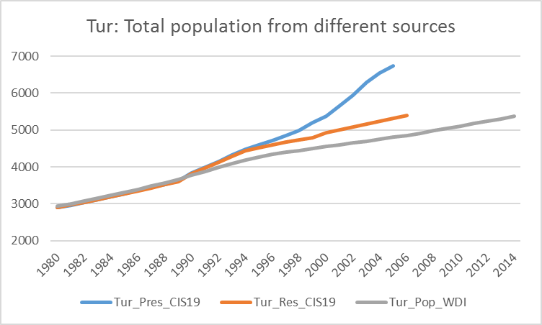

 |  |  |  |  |  |  | Note:
 |  |  |  |  |  |  | Tur_Pres_CIS -- Official present (ad hoc) population included in the CIS
 |  |  |  |  |  |  | database
 |  |  |  |  |  |  | Tur_Res_CIS -- Resident population after 2006 revision from CIS and 2006
 |  |  |  |  |  |  | yearbook
 |  |  |  |  |  |  | Tur_Pop_WDI -- WDI population series
 |  |  |  |  |  |  | Same description for rural population series (Rur and RurPop)

Turkmenistan: population and rural population from three different sources (end of year, '000)
year | Tur_Pres_CIS | Tur_RurPres_CIS | Tur_Res_CIS | Tur_RurRes_CIS | Tur_Pop_WDI | Tur_RurPop_WDI
1980 | 2895.7 | 1525.2 | 2898.2 | 1540.9 | 2931.3 | 1557.8
1981 | 2968.9 | 1578.6 | 2969.6 | 1592.4 | 3002.8 | 1602.4
1982 | 3041.5 | 1626.7 | 3040.7 | 1638.8 | 3075.9 | 1648.1
1983 | 3117.6 | 1676.2 | 3115.0 | 1686.5 | 3151.3 | 1695.5
1984 | 3189.3 | 1718.8 | 3185.0 | 1727.2 | 3229.5 | 1744.7
1985 | 3270.3 | 1768.9 | 3264.2 | 1775.5 | 3310.1 | 1795.5
1986 | 3361.0 | 1817.9 | 3353.2 | 1822.6 | 3392.8 | 1847.8
1987 | 3446.0 | 1871.2 | 3436.5 | 1874.1 | 3479.1 | 1902.5
1988 | 3533.9 | 1930.4 | 3522.7 | 1931.6 | 3570.6 | 1958.1
1989 | 3622.1 | 1984.1 | 3610.9 | 1985.3 | 3668.0 | 2014.6
1990 | 3839.3 | 2087.3 | 3817.9 | 2085.2 | 3772.4 | 2075.2
1991 | 3995.5 | 2182.2 | 3970.2 | 2178.7 | 3882.0 | 2138.8
1992 | 4149.8 | 2279.3 | 4123.6 | 2276.7 | 3991.9 | 2202.8
1993 | 4320.6 | 2362.1 | 4288.4 | 2359.4 | 4095.5 | 2263.4
1994 | 4480.7 | 2457.4 | 4434.9 | 2452.8 | 4188.0 | 2312.0
1995 | 4587.4 | 2525.8 | 4527.6 | 2518.7 | 4267.7 | 2346.5
1996 | 4710.4 | 2612.7 | 4605.5 | 2579.8 | 4336.0 | 2374.3
1997 | 4846.8 | 2691.2 | 4681.3 | 2638.9 | 4395.3 | 2397.0
1998 | 4993.5 | 2759.0 | 4738.2 | 2669.3 | 4449.4 | 2416.5
1999 | 5200.0 |  | 4790.4 |  | 4501.4 | 2434.7
2000 | 5369.4 | 2905.9 | 4933.7 | 2794.4 | 4551.8 | 2451.7
2001 | 5640.0 | 3047.0 |  |  | 4600.2 | 2467.4
2002 | 5936.8 | 3191.0 |  |  | 4648.0 | 2482.7
2003 | 6298.8 | 3356.6 |  |  | 4696.9 | 2498.2
2004 | 6550.0 | 3468.0 |  |  | 4747.8 | 2514.1
2005 | 6746.5 | 3553.5 | 5323.2 | 3077.0 | 4801.6 | 2530.6
2006 |  |  | 5402.2 | 3132.6 | 4858.2 | 2547.9
2007 |  |  |  |  | 4917.5 | 2565.7
2008 |  |  |  |  | 4979.0 | 2583.6
2009 |  |  |  |  | 5042.0 | 2601.6
2010 |  |  |  |  | 5106.7 | 2619.4
2011 |  |  |  |  | 5172.9 | 2637.0
year | Tur_Pres_CIS | Tur_RurPres_CIS | Tur_Res_CIS | Tur_RurRes_CIS | Tur_Pop_WDI | Tur_RurPop_WDI
2012 |  |  |  |  | 5240.1 | 2654.1
2013 |  |  |  |  | 5307.2 | 2670.2
2014 |  |  |  |  | 5373.5 | 2684.8

Uzbekistan's rural population conundrum
The series for Uzbekistan from the CIS database closely match the WDI series for the entire period 1980-2015. These series also match the data
published in Uzbekistan statistical yearbooks up to 2007. Starting in 2008, the rural population series from CIS and WDI (web) diverge from
the series in Uzbekistan statistical yearbooks (print only). This divergence is the result of administrative reclassification of rural settlements
(Presidential Decree 120 dated 14 July 2005), which has led to an abrupt decrease in domestically reported share of rural population from more than
60% to less than 50% after 2007. While reported in country yearbooks, this decrease is not reflected in either CIS or WDI statistics. The reclassification
was apparently deemed necessary because the high share of rural population cast Uzbekistan in the unflattering light of an underdeveloped agrarian country.
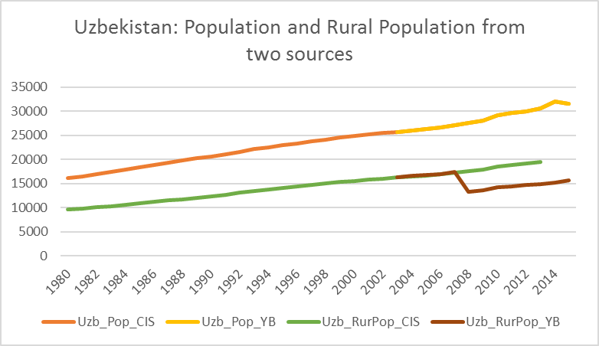
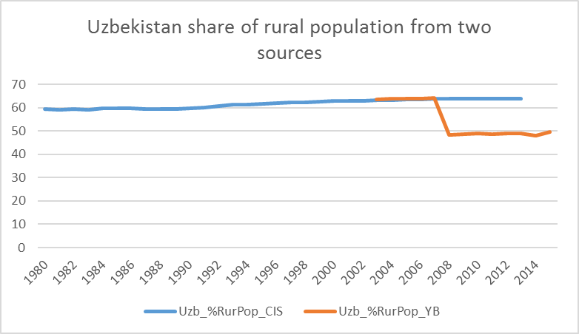

Uzbekistan (resident) population and rural population from CIS database and from country statistical yearbooks (end of year, '000)
year | Uzb_Pop_CIS | Uzb_Pop_YB | Uzb_RurPop_CIS | Uzb_RurPop_YB | Uzb_%RurPop_CIS | Uzb_%RurPop_YB
1980 | 16126.0 | 16126.0 | 9578.9 | 9578.9 | 59.4 | 59.4
1981 | 16543.1 |  | 9791.5 |  | 59.2
1982 | 16974.1 |  | 10069.8 |  | 59.3
1983 | 17413.5 |  | 10292.0 |  | 59.1
1984 | 17868.0 |  | 10663.6 |  | 59.7
1985 | 18355.5 |  | 10971.4 |  | 59.8
1986 | 18859.7 |  | 11278.6 |  | 59.8
1987 | 19343.7 |  | 11514.4 |  | 59.5
1988 | 19810.1 |  | 11769.1 |  | 59.4
1989 | 20227.3 |  | 12015.0 |  | 59.4
1990 | 20613.2 |  | 12339.3 |  | 59.9
1991 | 21111.8 |  | 12698.1 |  | 60.1
1992 | 21607.7 |  | 13118.6 |  | 60.7
1993 | 22097.5 |  | 13514.2 |  | 61.2
1994 | 22467.3 |  | 13804.6 |  | 61.4
1995 | 22912.1 |  | 14151.0 |  | 61.8
1996 | 23348.7 |  | 14474.6 |  | 62.0
1997 | 23772.3 |  | 14783.5 |  | 62.2
1998 | 24135.6 |  | 15048.6 |  | 62.4
1999 | 24487.7 |  | 15322.2 |  | 62.6
2000 | 24813.1 |  | 15587.8 |  | 62.8
2001 | 25115.8 |  | 15828.9 |  | 63.0
2002 | 25427.9 |  | 16024.7 |  | 63.0
2003 | 25707.4 | 25707.4 | 16239.4 | 16326.1 | 63.2 | 63.5
2004 | 26021.3 | 26021.3 | 16476.7 | 16579.4 | 63.3 | 63.7
2005 | 26313.0 | 26312.7 | 16700.9 | 16817.6 | 63.5 | 63.9
2006 | 26664.0 | 26663.8 | 16958.3 | 17019.2 | 63.6 | 63.8
2007 | 27073.0 | 27072.2 | 17242.8 | 17374.0 | 63.7 | 64.2
2008 | 27534.0 | 27533.4 | 17555.7 | 13297.4 | 63.8 | 48.3
2009 | 28001.0 | 28001.4 | 17867.4 | 13575.5 | 63.8 | 48.5
2010 | 29100.0 | 29123.4 | 18574.5 | 14226.0 | 63.8 | 48.8
2011 | 29555.4 | 29555.4 | 18862.3 | 14412.2 | 63.8 | 48.8
year | Uzb_Pop_CIS | Uzb_Pop_YB | Uzb_RurPop_CIS | Uzb_RurPop_YB | Uzb_%RurPop_CIS | Uzb_%RurPop_YB
2012 | 29993.5 | 29994.6 | 19129.9 | 14679.3 | 63.8 | 48.9
2013 | 30492.8 | 30488.6 | 19430.0 | 14935.8 | 63.7 | 49.0
2014 | 31925.5 | 31925.5 |  | 15278.7 |  | 47.9
2015 | 31576.4 | 31576.4 |  | 15612.4 |  | 49.4

